Sheet1
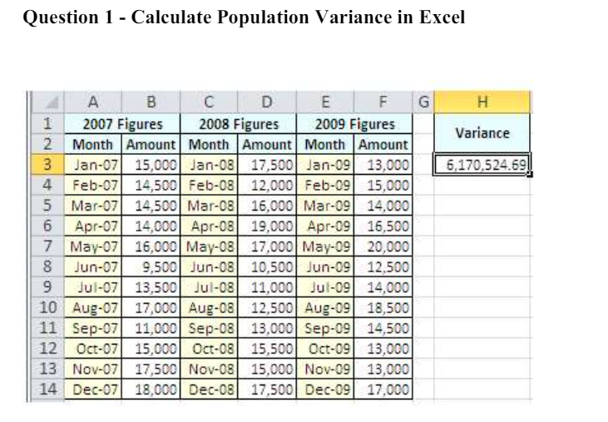

15,000 | 17500 | 13000
14,500 | 12000 | 15000 | Column1 |  | Column2 |  | Column3
14500 | 16000 | 14000
14500 | 19000 | 16500 | Mean | 14708.333333 | Mean | 14708.333333 | Mean | 15083.333333
16500 | 17000 | 20000 | Standard Error | 726.80895882 | Standard Error | 817.55903626 | Standard Error | 695.85714893
9500 | 10500 | 12500 | Median | 14750 | Median | 15250 | Median | 14250
13500 | 11000 | 14000 | Mode | 14500 | Mode | 17500 | Mode | 13000
17000 | 12500 | 18500 | Standard Deviation | 2517.7400882 | Standard Deviation | 2832.107578 | Standard Deviation | 2410.5198735
11000 | 13000 | 14500 | Sample Variance | 6339015.1515 | Sample Variance | 8020833.3333 | Sample Variance | 5810606.0606
15000 | 15500 | 13000 | Kurtosis | 0.44943640247 | Kurtosis | -1.387215382 | Kurtosis | -0.10325945241
17500 | 15000 | 13000 | Skewness | -0.81212776111 | Skewness | -0.11466589951 | Skewness | 0.94641656236
18000 | 17500 | 17000 | Range | 8500 | Range | 8500 | Range | 7500
 |  |  | Minimum | 9500 | Minimum | 10500 | Minimum | 12500
 |  |  | Maximum | 18000 | Maximum | 19000 | Maximum | 20000
 |  |  | Sum | 176500 | Sum | 176500 | Sum | 181000
 |  |  | Count | 12 | Count | 12 | Count | 12

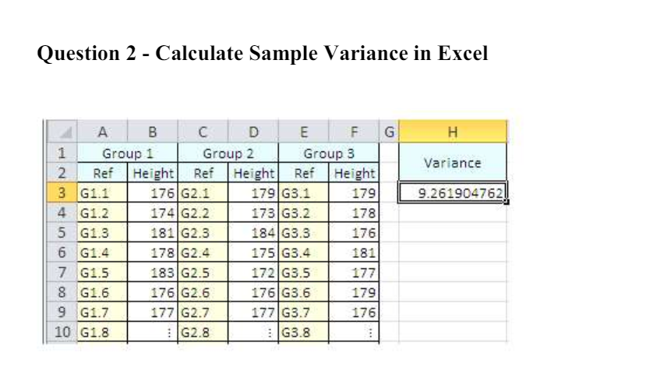

grp 1 | grp 2 | grp 3
176 | 179 | 179 | grp 1 |  | grp 2 |  | grp 3
174 | 173 | 178
181 | 184 | 176 | Mean | 177.85714286 | Mean | 319.42857143 | Mean | 178
178 | 175 | 181 | Standard Error | 1.1837907519 | Standard Error | 142.77002105 | Standard Error | 0.69006555934
183 | 172 | 177 | Median | 177 | Median | 177 | Median | 178
176 | 1176 | 179 | Mode | 176 | Mode | #N/A | Mode | 179
177 | 177 | 176 | Standard Deviation | 3.1320159338 | Standard Deviation | 377.73397038 | Standard Deviation | 1.8257418584
 |  |  | Sample Variance | 9.8095238095 | Sample Variance | 142682.95238 | Sample Variance | 3.3333333333
 |  |  | Kurtosis | -0.34284098407 | Kurtosis | 6.9974501688 | Kurtosis | -0.528
 |  |  | Skewness | 0.7309414884 | Skewness | 2.6451207295 | Skewness | 0.4600869483
 |  |  | Range | 9 | Range | 1004 | Range | 5
 |  |  | Minimum | 174 | Minimum | 172 | Minimum | 176
 |  |  | Maximum | 183 | Maximum | 1176 | Maximum | 181
 |  |  | Sum | 1245 | Sum | 2236 | Sum | 1246
 |  |  | Count | 7 | Count | 7 | Count | 7

